April 2018
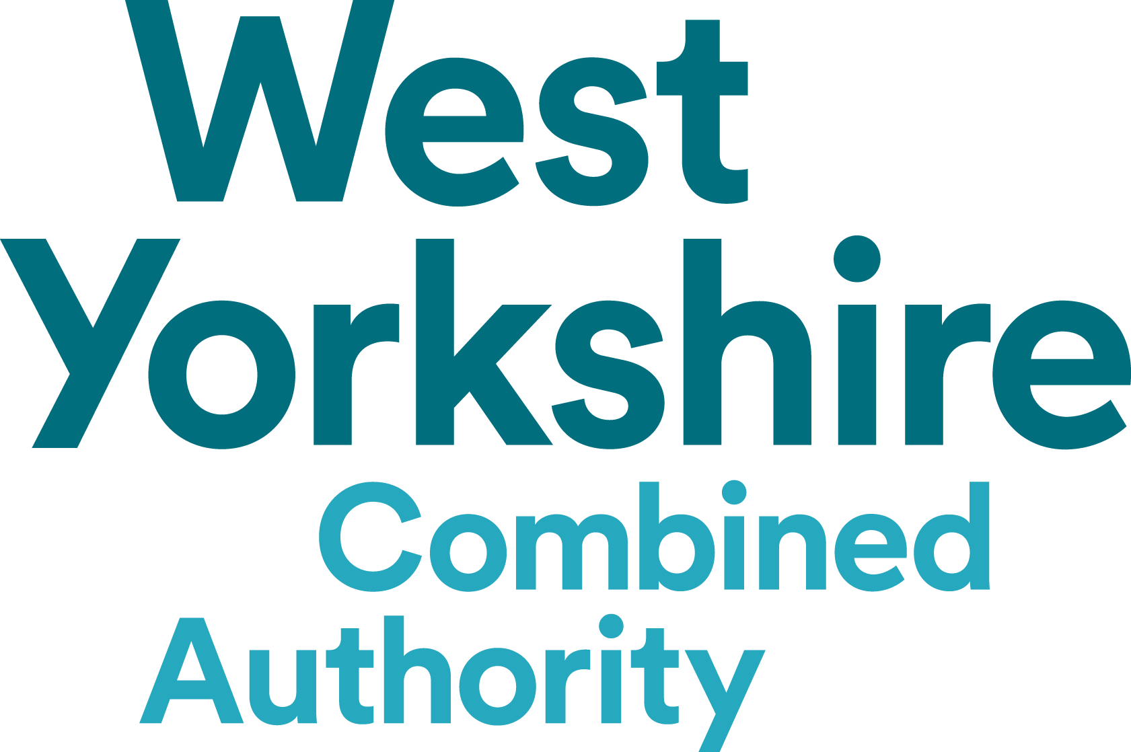
 |  | Transparency Expenditure Report

 |  | Between 01/04/2018 to 30/04/2018 with a minimum expenditure of £500

Date | Expenditure Type | Department | Merchant Category | Beneficiary | Summary | Amount
16/04/2018 | BACS | Transport Services | Travel - bus services | Arriva Yorkshire Ltd | Bus services | £1,203,031.00
16/04/2018 | BACS | Transport Services | Travel - bus services | Arriva Rail North Limited | Bus services | £62,218.00
16/04/2018 | BACS | Transport Services | Travel - bus services | BL Travel Ltd | Bus services | £15,781.00
16/04/2018 | BACS | Transport Services | Travel - bus services | CT Plus (Yorkshire) Ltd | Bus services | £11,107.00
16/04/2018 | BACS | Transport Services | Travel - bus services | East Coast Main Line Company | Bus services | £857.00
16/04/2018 | BACS | Transport Services | Travel - bus services | First TransPennine Express Limited | Bus services | £10,017.00
16/04/2018 | BACS | Transport Services | Travel - bus services | Fourways Coaches | Bus services | £1,330.00
16/04/2018 | BACS | Transport Services | Travel - bus services | Globe Holidays Limited | Bus services | £2,831.00
16/04/2018 | BACS | Transport Services | Travel - bus services | Harrogate Coach Travel Ltd | Bus services | £20,167.00
16/04/2018 | BACS | Transport Services | Travel - bus services | Arriva (Hudds Bus Company) | Bus services | £290,512.00
16/04/2018 | BACS | Transport Services | Travel - bus services | Jacksons of Silsden 1988 Ltd | Bus services | £2,229.00
16/04/2018 | BACS | Transport Services | Travel - bus services | J & B Travel Ltd | Bus services | £6,999.00
16/04/2018 | BACS | Transport Services | Travel - bus services | Keighley & District Travel Ltd | Bus services | £349,608.00
16/04/2018 | BACS | Transport Services | Travel - bus services | A Lyles & Son | Bus services | £8,914.00
16/04/2018 | BACS | Transport Services | Travel - bus services | Frank Poppleton & Co | Bus services | £2,440.00
16/04/2018 | BACS | Transport Services | Travel - bus services | Ross Travel | Bus services | £26,599.00
16/04/2018 | BACS | Transport Services | Travel - bus services | Rossendale Transport Ltd | Bus services | £534.00
16/04/2018 | BACS | Transport Services | Travel - bus services | South Pennine Community Transport CIC | Bus services | £2,452.00
16/04/2018 | BACS | Transport Services | Travel - bus services | Squarepeg | Bus services | £10,032.00
16/04/2018 | BACS | Transport Services | Travel - bus services | Stagecoach Services Ltd T/A Stagecoach Yorkshire | Bus services | £22,703.00
16/04/2018 | BACS | Transport Services | Travel - bus services | Stagecoach in Hull | Bus services | £1,571.00
16/04/2018 | BACS | Transport Services | Travel - bus services | Station Coaches Ltd | Bus services | £8,318.00
16/04/2018 | BACS | Transport Services | Travel - bus services | Stevensons Travel Ltd | Bus services | £508.00
16/04/2018 | BACS | Transport Services | Travel - bus services | E Stott & Sons Ltd | Bus services | £16,610.00
16/04/2018 | BACS | Transport Services | Travel - bus services | Stringers Pontefract Motorways | Bus services | £5,661.00
16/04/2018 | BACS | Transport Services | Travel - bus services | Streamline | Bus services | £5,789.00
16/04/2018 | BACS | Transport Services | Travel - bus services | TLC Travel | Bus services | £53,260.00
16/04/2018 | BACS | Transport Services | Travel - bus services | The Halifax Bus Company Ltd | Bus services | £18,769.00
16/04/2018 | BACS | Transport Services | Travel - bus services | First West Yorkshire Ltd | Bus services | £437,000.00
27/04/2018 | BACS | Transport Services | Travel - bus services | Arriva Yorkshire Ltd | Bus services | £480,060.57
27/04/2018 | BACS | Transport Services | Travel - bus services | Arriva Rail North Limited | Bus services | £735,636.00
27/04/2018 | BACS | Transport Services | Travel - bus services | BL Travel Ltd | Bus services | £2,363.00
27/04/2018 | BACS | Transport Services | Travel - bus services | CT Plus (Yorkshire) Ltd | Bus services | £8,381.00
27/04/2018 | BACS | Transport Services | Travel - bus services | East Coast Main Line Company | Bus services | £20,422.00
27/04/2018 | BACS | Transport Services | Travel - bus services | First TransPennine Express Limited | Bus services | £252,667.00
27/04/2018 | BACS | Transport Services | Travel - bus services | Globe Holidays Limited | Bus services | £1,695.00
27/04/2018 | BACS | Transport Services | Travel - bus services | Grand Central Railway | Bus services | £1,144.00
27/04/2018 | BACS | Transport Services | Travel - bus services | Harrogate Coach Travel Ltd | Bus services | £1,632.82
27/04/2018 | BACS | Transport Services | Travel - bus services | Arriva (Hudds Bus Company) | Bus services | £74,763.00
27/04/2018 | BACS | Transport Services | Travel - bus services | Jacksons of Silsden 1988 Ltd | Bus services | £782.00
27/04/2018 | BACS | Transport Services | Travel - bus services | J & B Travel Ltd | Bus services | £8,721.00
27/04/2018 | BACS | Transport Services | Travel - bus services | Keighley & District Travel Ltd | Bus services | £124,641.28
27/04/2018 | BACS | Transport Services | Travel - bus services | A Lyles & Son | Bus services | £5,594.00
27/04/2018 | BACS | Transport Services | Travel - bus services | Frank Poppleton & Co | Bus services | £4,590.00
27/04/2018 | BACS | Transport Services | Travel - bus services | Ross Travel | Bus services | £3,436.68
27/04/2018 | BACS | Transport Services | Travel - bus services | Squarepeg | Bus services | £1,852.00
27/04/2018 | BACS | Transport Services | Travel - bus services | Stagecoach Services Ltd T/A Stagecoach Yorkshire | Bus services | £4,853.19
27/04/2018 | BACS | Transport Services | Travel - bus services | Station Coaches Ltd | Bus services | £2,075.78
27/04/2018 | BACS | Transport Services | Travel - bus services | E Stott & Sons Ltd | Bus services | £2,774.00
27/04/2018 | BACS | Transport Services | Travel - bus services | Stringers Pontefract Motorways | Bus services | £611.00
27/04/2018 | BACS | Transport Services | Travel - bus services | Streamline | Bus services | £3,830.00
27/04/2018 | BACS | Transport Services | Travel - bus services | TLC Travel | Bus services | £11,397.32
27/04/2018 | BACS | Transport Services | Travel - bus services | The Halifax Bus Company Ltd | Bus services | £4,970.00
27/04/2018 | BACS | Transport Services | Travel - bus services | R & S Waterson | Bus services | £4,827.00
27/04/2018 | BACS | Transport Services | Travel - bus services | X C Trains Ltd | Bus services | £10,506.00
27/04/2018 | BACS | Transport Services | Travel - bus services | First West Yorkshire Ltd | Bus services | £786,013.53
 |  |  |  |  | Grand Total | £5,158,086.17

